BOM
Item | Part Number | Thumbnail | BOM Structure | Unit QTY | QTY | Stock Number | Description | REV
4 | ISO 12633-2 - 20x20x2 - 250,13 | *Varies* | Normal | 250.126 mm | 500.252 mm | 20x20x2 | Hot-finished structrual hollow sections - Dimensions and sectional properties
8 | ISO 12633-2 - 20x20x2 - 123,73 |  | Normal | 123.726 mm | 123.726 mm | 20x20x2 | Hot-finished structrual hollow sections - Dimensions and sectional properties
10 | BackWheelMountingPlate |  | Normal | Each | 1
16 | ISO 12633-2 - 20x20x2 - 105,43 | *Varies* | Normal | 105.429 mm | 210.859 mm | 20x20x2 | Hot-finished structrual hollow sections - Dimensions and sectional properties
18 | ISO 12633-2 - 20x20x2 - 107,97 |  | Normal | 107.970 mm | 107.970 mm | 20x20x2 | Hot-finished structrual hollow sections - Dimensions and sectional properties
19 | ISO 12633-2 - 20x20x2 - 115.41 |  | Normal | 115.411 mm | 115.411 mm | 20x20x2 | Hot-finished structrual hollow sections - Dimensions and sectional properties
21 | beer crate | 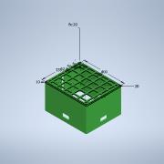 | Normal | Each | 1
22 | motor at24v_MIR | 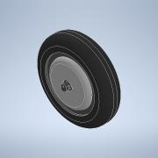 | Normal | Each | 1
23 | BackWheelMountingPlate_MIR4 |  | Normal | Each | 1
25 | FreeBackWheel | 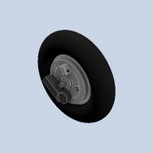 | Normal | Each | 1
29 | ANSI B18.2.4.4M - M8 x 1,25 | 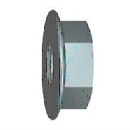 | Purchased | Each | 1 |  | Metric Hex Flange Nuts
30 | backWheelNoMotor brake mount | 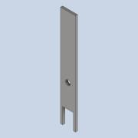 | Normal | Each | 1
33 | BackWheelMotorMountSpacer | 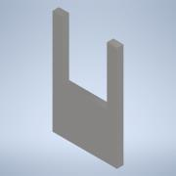 | Normal | Each | 1
34 | DIN 6923 - M8 |  | Purchased | Each | 2 |  | Hex Nut
35 | FrontWheelFrameNew | 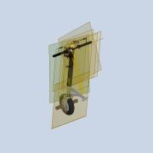 | Normal | Each | 1
39 | ISO 12633-2 - 20x20x2 - 360,44 |  | Normal | 360.439 mm | 360.439 mm | 20x20x2 | Hot-finished structrual hollow sections - Dimensions and sectional properties
41 | Battery box | 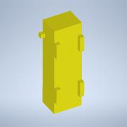 | Normal | Each | 1
43 | headset bearing | 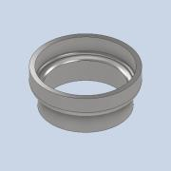 | Normal | Each | 1
44 | ISO 12633-2 - 20x20x2 - 120.65 |  | Normal | 120.645 mm | 120.645 mm | 20x20x2 | Hot-finished structrual hollow sections - Dimensions and sectional properties
45 | ISO 12633-2 - 20x20x2 - 113,38 |  | Normal | 113.381 mm | 113.381 mm | 20x20x2 | Hot-finished structrual hollow sections - Dimensions and sectional properties
47 | ISO 12633-2 - 20x20x2 - 85,41 | *Varies* | Normal | 85.407 mm | 170.813 mm | 20x20x2 | Hot-finished structrual hollow sections - Dimensions and sectional properties
48 | ISO 12633-2 - 20x20x2 - 98,29 |  | Normal | 98.294 mm | 98.294 mm | 20x20x2 | Hot-finished structrual hollow sections - Dimensions and sectional properties
49 | ISO 12633-2 - 20x20x2 - 76,3 | *Varies* | Normal | 76.300 mm | 152.600 mm | 20x20x2 | Hot-finished structrual hollow sections - Dimensions and sectional properties
53 | plan1 | 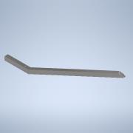 | Normal | Each | 1
54 | Plan 2 øverste | 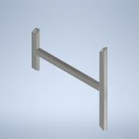 | Normal | Each | 1
55 | GlidelejrehusAssembly | 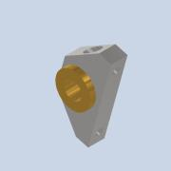 | Normal | Each | 2
57 | ISO 4762 - M6 x 50 |  | Purchased | Each | 4 |  | Hexagon Socket Head Cap Screw
58 | ISO 7041 - M6 | 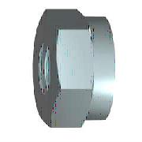 | Purchased | Each | 4 |  | Prevailing torque type hexagon nuts (with non-metallic insert) style2 - property class 9 and 12
59 | battery mount bracket | 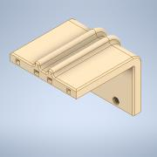 | Normal | Each | 1
60 | cercuit board mount | *Varies* | Normal | Each | 2
61 | rear light mount | 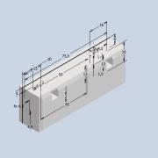 | Normal | Each | 1

